Set 1
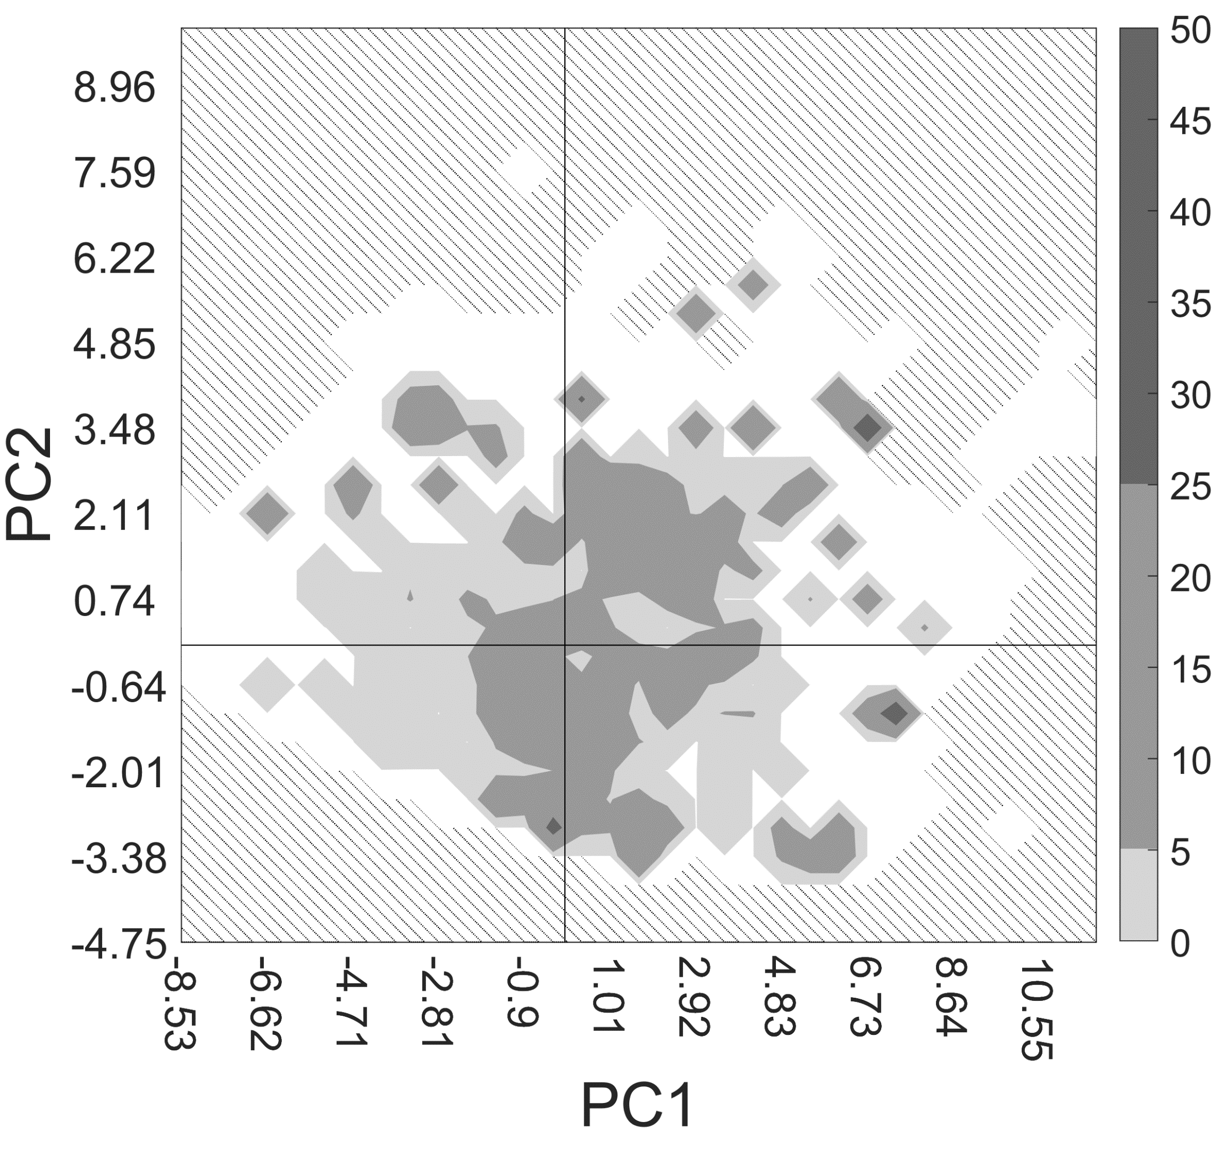
Numbered | Descriptor | Description | Descriptor type | Class | PC1 | PC2
21 | nX | Number of halogen atoms (F, Cl, Br, I, At, Uus) | Atom count | 2D | 0.35489193891 | 0.68396866054
52 | ATS3p | Broto-Moreau autocorrelation - lag 3 / weighted by polarizabilities | Autocorrelation | 2D | 0.93091798802 | -0.28548531323
56 | ATS7p | Broto-Moreau autocorrelation - lag 7 / weighted by polarizabilities | Autocorrelation | 2D | 0.89470365062 | -0.24697166874
58 | ATS0i | Broto-Moreau autocorrelation - lag 0 / weighted by first ionization potential | Autocorrelation | 2D | 0.95146252055 | -0.10938127577
148 | ATSC0v | Centered Broto-Moreau autocorrelation - lag 0 / weighted by van der Waals volumes | Autocorrelation | 2D | 0.90659859303 | -0.30185657769
382 | SpMax_Dzm | Leading eigenvalue from Barysz matrix / weighted by mass | Barysz matrix | 2D | 0.93315799973 | -0.10304172035
423 | SpAD_Dzp | Spectral absolute deviation from Barysz matrix / weighted by polarizabilities | Barysz matrix | 2D | 0.93227724595 | -0.00064547217781
546 | SpMax6_Bhi | Largest absolute eigenvalue of Burden modified matrix - n 6 / weighted by relative first ionization potential | Burden modified eigenvalues | 2D | 0.91142885935 | -0.11997377612
564 | SpMax8_Bhs | Largest absolute eigenvalue of Burden modified matrix - n 8 / weighted by relative I-state | Burden modified eigenvalues | 2D | 0.82383178816 | 0.45772884501
653 | SpDiam_Dt | Spectral diameter from detour matrix | Detour matrix | 2D | 0.91440445964 | -0.16334752936
660 | VR1_Dt | Randic-like eigenvector-based index from detour matrix | Detour matrix | 2D | 0.048835899918 | -0.034224792076
785 | SHBa | Sum of E-States for (strong) hydrogen bond acceptors | Atom type electrotopological state | 2D | 0.65194968354 | 0.70254296628
1141 | meanI | Mean intrinsic state values I | Atom type electrotopological state | 2D | 0.16817395054 | 0.93725075367
1156 | ETA_dAlpha_B | A measure of count of hydrogen bond acceptor atoms and/or polar surface area | Extended topochemical atom | 2D | 0.21301217679 | 0.71751734292
1161 | ETA_Epsilon_5 | A measure of electronegative atom count | Extended topochemical atom | 2D | 0.25596945152 | 0.84440888594
1182 | ETA_Eta | Composite index Eta | Extended topochemical atom | 2D | 0.94263120801 | -0.080307982979
1189 | ETA_Eta_R_L | Local index Eta_local for reference alkane | Extended topochemical atom | 2D | 0.98110623822 | -0.035594710918
1262 | MDEC-33 | Molecular distance edge between all tertiary carbons | Molecular distance edge | 2D | 0.12153346245 | -0.23768012851
1281 | MPC3 | Molecular path count of order 3 | Path counts | 2D | 0.90936501935 | -0.10640660196
1282 | MPC4 | Molecular path count of order 4 | Path counts | 2D | 0.82006716134 | -0.17873683012

 |  |  | Descriptor type | Count
 |  |  | Atom count | 1
 |  |  | Autocorrelation | 4
 |  |  | Barysz matrix | 2
 |  |  | Burden modified eigenvalues | 2
 |  |  | Detour matrix | 2
 |  |  | Atom type electrotopological state | 2
 |  |  | Extended topochemical atom | 4
 |  |  | Molecular distance edge | 1
 |  |  | Path counts | 2

Set 2
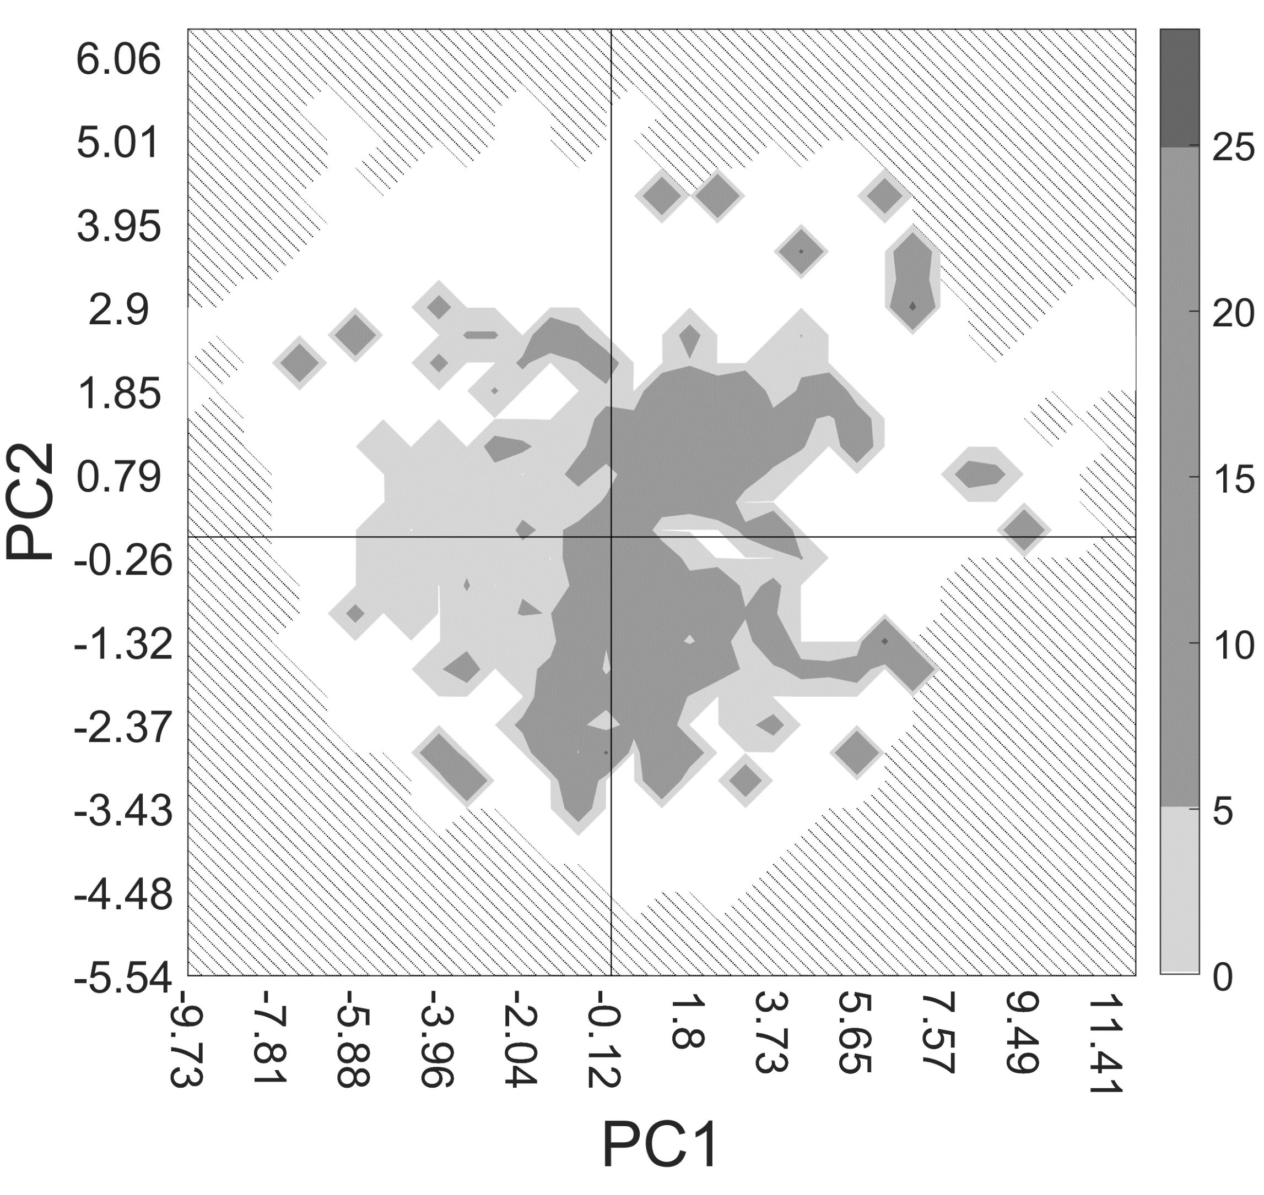
Numbered | Descriptor | Description | Descriptor type | Class | PC1 | PC2
30 | ATS8m | Broto-Moreau autocorrelation - lag 8 / weighted by mass | Autocorrelation | 2D | 0.84419717229 | 0.034629697186
265 | MATS2m | Moran autocorrelation - lag 2 / weighted by mass | Autocorrelation | 2D | -0.12040594371 | 0.75509921322
306 | MATS3s | Moran autocorrelation - lag 3 / weighted by I-state | Autocorrelation | 2D | 0.43533397095 | 0.096616431982
361 | GATS2s | Geary autocorrelation - lag 2 / weighted by I-state | Autocorrelation | 2D | -0.22544003779 | -0.63354352235
419 | VR3_Dze | Logarithmic Randic-like eigenvector-based index from Barysz matrix / weighted by Sanderson electronegativities | Barysz matrix | 2D | 0.77617893153 | 0.18485149276
438 | EE_Dzi | Estrada-like index from Barysz matrix / weighted by first ionization potential (ln(1+x)) | Barysz matrix | 2D | 0.90849129999 | -0.15357810997
445 | VR3_Dzi | Logarithmic Randic-like eigenvector-based index from Barysz matrix / weighted by first ionization potential | Barysz matrix | 2D | 0.7754034309 | 0.18618596253
449 | SpAD_Dzs | Spectral absolute deviation from Barysz matrix / weighted by I-state | Barysz matrix | 2D | 0.89033893412 | -0.12083423178
506 | SpMin6_Bhv | Smallest absolute eigenvalue of Burden modified matrix - n 6 / weighted by relative van der Waals volumes | Burden modified eigenvalues | 2D | 0.88093575849 | -0.2039856355
521 | SpMin5_Bhe | Smallest absolute eigenvalue of Burden modified matrix - n 5 / weighted by relative Sanderson electronegativities | Burden modified eigenvalues | 2D | 0.87019280491 | -0.2877343522
715 | nssssC | Count of atom-type E-State: >C< | Atom type electrotopological state | 2D | 0.35033137558 | 0.7158086782
1192 | ETA_Eta_B | Branching index EtaB | Extended topochemical atom | 2D | 0.61192270529 | 0.73480863159
1214 | TIC3 | Total information content index (neighborhood symmetry of 3-order) | Information content | 2D | 0.94470173877 | -0.12777418894
1242 | ZMIC1 | Z-modified information content index (neighborhood symmetry of 1-order) | Information content | 2D | 0.83074738655 | -0.20477710104
1254 | McGowan_Volume | McGowan characteristic volume | McGowan volume | 2D | 0.97264862677 | -0.11269193559
1290 | piPC1 | Conventional bond order ID number of order 1 (ln(1+x) | Path counts | 2D | 0.92004114675 | -0.18655679137
1384 | GGI6 | Topological charge index of order 6 | Topological charge | 2D | 0.7168482352 | 0.25211810877
1389 | JGI1 | Mean topological charge index of order 1 | Topological charge | 2D | 0.087572633125 | 0.89564395982
1414 | MWC2 | Molecular walk count of order 2 (ln(1+x) | Walk counts | 2D | 0.9612574915 | -0.093085245222
1428 | SRW6 | Self-returning walk count of order 6 (ln(1+x) | Walk counts | 2D | 0.93233543772 | -0.034198691902

 |  |  | Descriptor type | Count
 |  |  | Autocorrelation | 4
 |  |  | Barysz matrix | 4
 |  |  | Burden modified eigenvalues | 2
 |  |  | Atom type electrotopological state | 1
 |  |  | Extended topochemical atom | 1
 |  |  | Information content | 2
 |  |  | McGowan volume | 1
 |  |  | Path counts | 1
 |  |  | Topological charge | 2
 |  |  | Walk counts | 2

Set 3
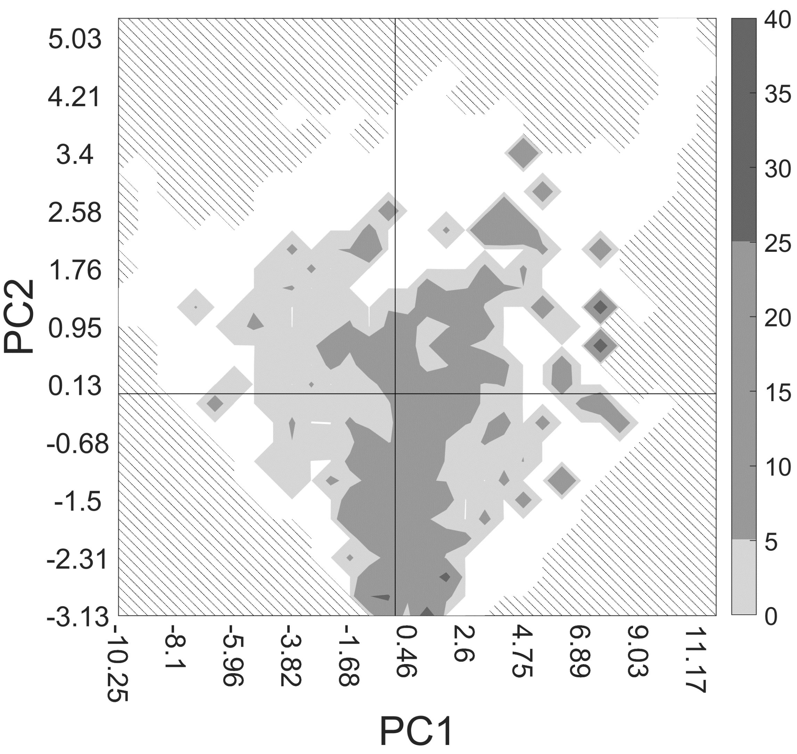
Numbered | Descriptor | Description | Descriptor type | Class | PC1 | PC2
5 | apol | Sum of the atomic polarizabilities (including implicit hydrogens) | APol | 2D | 0.96840809524 | -0.14080392778
46 | ATS6e | Broto-Moreau autocorrelation - lag 6 / weighted by Sanderson electronegativities | Autocorrelation | 2D | 0.88846423604 | -0.014700419294
51 | ATS2p | Broto-Moreau autocorrelation - lag 2 / weighted by polarizabilities | Autocorrelation | 2D | 0.95123811816 | -0.20367343185
410 | SpAD_Dze | Spectral absolute deviation from Barysz matrix / weighted by Sanderson electronegativities | Barysz matrix | 2D | 0.92377202023 | -0.068518980756
413 | SM1_Dze | Spectral moment of order 1 from Barysz matrix / weighted by Sanderson electronegativities | Barysz matrix | 2D | 0.59986698601 | 0.66318362902
466 | nBonds | Number of bonds (excluding bonds with hydrogen) | Bond count | 2D | 0.97452393846 | -0.017311489001
468 | nBondsS | Number of single bonds (including bonds with hydrogen) | Bond count | 2D | 0.91577293401 | -0.13324333397
484 | SpMax8_Bhm | Largest absolute eigenvalue of Burden modified matrix - n 8 / weighted by relative mass | Burden modified eigenvalues | 2D | 0.90405585728 | -0.079105884886
505 | SpMin5_Bhv | Smallest absolute eigenvalue of Burden modified matrix - n 5 / weighted by relative van der Waals volumes | Burden modified eigenvalues | 2D | 0.88948744286 | -0.29678964593
514 | SpMax6_Bhe | Largest absolute eigenvalue of Burden modified matrix - n 6 / weighted by relative Sanderson electronegativities | Burden modified eigenvalues | 2D | 0.93312685102 | -0.13745480746
544 | SpMax4_Bhi | Largest absolute eigenvalue of Burden modified matrix - n 4 / weighted by relative first ionization potential | Burden modified eigenvalues | 2D | 0.84977151519 | -0.32383141123
552 | SpMin4_Bhi | Smallest absolute eigenvalue of Burden modified matrix - n 4 / weighted by relative first ionization potential | Burden modified eigenvalues | 2D | 0.84042289524 | -0.34604325773
1065 | maxaaCH | Maximum atom-type E-State: :CH: | Atom type electrotopological state | 2D | -0.53833317418 | -0.22922509873
1074 | maxsNH2 | Maximum atom-type E-State: -NH2 | Atom type electrotopological state | 2D | -0.29546102035 | 0.22863272972
1152 | DELS2 | Sum of all atoms intrinsic state differences (measure of total charge transfer in the molecule). Using deltaV = Zv-maxBondedHydrogens. Gramatica, P., Corradi, M., and Consonni, V. (2000). Modelling and prediction of soil sorption coefficients of non-ionic organic pesticides by molecular descriptors. Chemosphere 41, 763-777. | Atom type electrotopological state | 2D | 0.6362805744 | 0.68493361793
1242 | ZMIC1 | Z-modified information content index (neighborhood symmetry of 1-order) | Information content | 2D | 0.82066153328 | -0.15971589292
1384 | GGI6 | Topological charge index of order 6 | Topological charge | 2D | 0.73559344532 | 0.386384674
1385 | GGI7 | Topological charge index of order 7 | Topological charge | 2D | 0.76681718141 | 0.37822147078
1388 | GGI10 | Topological charge index of order 10 | Topological charge | 2D | 0.79460974052 | 0.34570755956
1429 | SRW7 | Self-returning walk count of order 7 (ln(1+x) | Walk counts | 2D | 0.12228436758 | -0.2636283692

 |  |  | Descriptor type | Count
 |  |  | APol | 1
 |  |  | Autocorrelation | 2
 |  |  | Barysz matrix | 2
 |  |  | Bond count | 2
 |  |  | Burden modified eigenvalues | 5
 |  |  | Atom type electrotopological state | 3
 |  |  | Information content | 1
 |  |  | Topological charge | 3
 |  |  | Walk counts | 1

Set 4
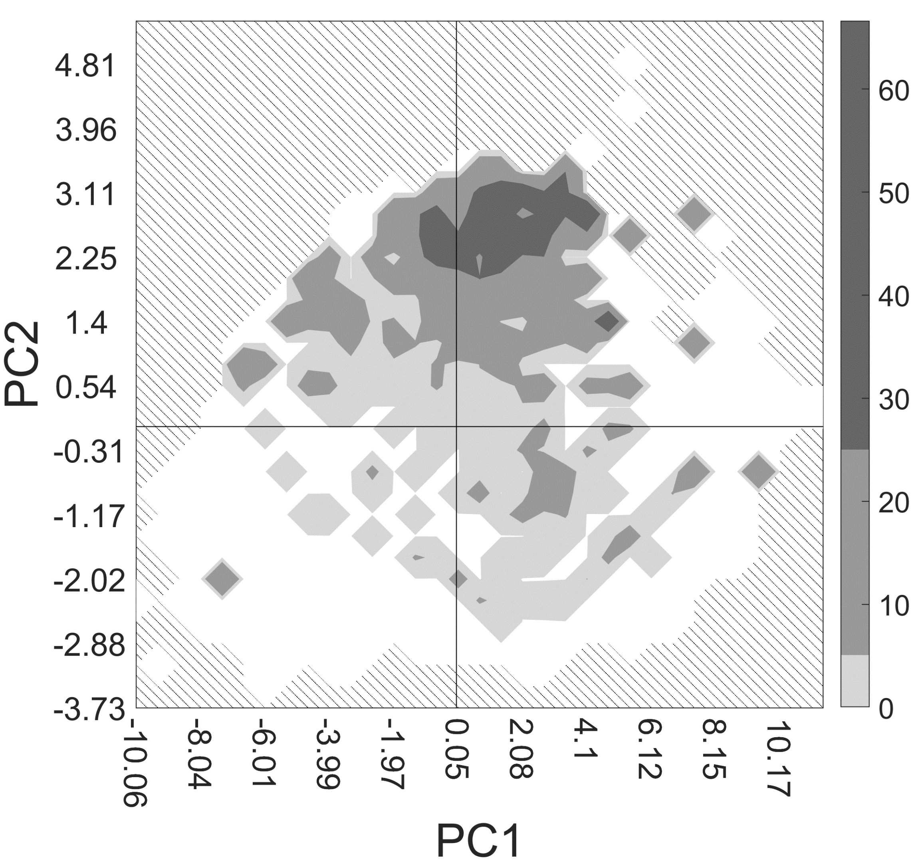
Numbered | Descriptor | Description | Descriptor type | Class | PC1 | PC2
31 | ATS0v | Broto-Moreau autocorrelation - lag 0 / weighted by van der Waals volumes | Autocorrelation | 2D | 0.98780231066 | -0.00048926707459
37 | ATS6v | Broto-Moreau autocorrelation - lag 6 / weighted by van der Waals volumes | Autocorrelation | 2D | 0.92627168894 | -0.036351252656
48 | ATS8e | Broto-Moreau autocorrelation - lag 8 / weighted by Sanderson electronegativities | Autocorrelation | 2D | 0.89330983848 | -0.20045082404
81 | AATS5m | Average Broto-Moreau autocorrelation - lag 5 / weighted by mass | Autocorrelation | 2D | -0.24918439653 | 0.56734187347
148 | ATSC0v | Centered Broto-Moreau autocorrelation - lag 0 / weighted by van der Waals volumes | Autocorrelation | 2D | 0.92944406726 | -0.26320557158
284 | MATS5e | Moran autocorrelation - lag 5 / weighted by Sanderson electronegativities | Autocorrelation | 2D | 0.28157779155 | -0.042445152163
371 | SpAD_DzZ | Spectral absolute deviation from Barysz matrix / weighted by atomic number | Barysz matrix | 2D | 0.92622683766 | -0.13994969779
505 | SpMin5_Bhv | Smallest absolute eigenvalue of Burden modified matrix - n 5 / weighted by relative van der Waals volumes | Burden modified eigenvalues | 2D | 0.90693540871 | 0.001185865477
520 | SpMin4_Bhe | Smallest absolute eigenvalue of Burden modified matrix - n 4 / weighted by relative Sanderson electronegativities | Burden modified eigenvalues | 2D | 0.85554029742 | 0.16019000959
538 | SpMin6_Bhp | Smallest absolute eigenvalue of Burden modified matrix - n 6 / weighted by relative polarizabilities | Burden modified eigenvalues | 2D | 0.9194662886 | -0.0068869986354
654 | SpAD_Dt | Spectral absolute deviation from detour matrix | Detour matrix | 2D | 0.92943781946 | 0.13351719241
809 | SHCHnX | Sum of atom-type H E-State: CHnX | Atom type electrotopological state | 2D | 0.00055190595469 | -0.021649775597
1069 | maxdssC | Maximum atom-type E-State: =C< | Atom type electrotopological state | 2D | 0.47383176948 | -0.57514717669
1172 | ETA_Beta | A measure of electronic features of the molecule | Extended topochemical atom | 2D | 0.74233629261 | 0.62915510827
1178 | ETA_dBeta | A measure of relative unsaturation content | Extended topochemical atom | 2D | -0.50283276349 | 0.78915273948
1211 | TIC0 | Total information content index (neighborhood symmetry of 0-order) | Information content | 2D | 0.93176292409 | -0.12272692728
1291 | piPC2 | Conventional bond order ID number of order 2 (ln(1+x) | Path counts | 2D | 0.78171507692 | 0.55932974767
1386 | GGI8 | Topological charge index of order 8 | Topological charge | 2D | 0.74980501722 | 0.14475842151
1410 | VR3_D | Logarithmic Randic-like eigenvector-based index from topological distance matrix | Topological distance matrix | 2D | 0.83795468028 | 0.11447904811
1414 | MWC2 | Molecular walk count of order 2 (ln(1+x) | Walk counts | 2D | 0.96487547029 | 0.1656842033

 |  |  | Descriptor type | Count
 |  |  | Autocorrelation | 6
 |  |  | Barysz matrix | 1
 |  |  | Burden modified eigenvalues | 3
 |  |  | Detour matrix | 1
 |  |  | Atom type electrotopological state | 2
 |  |  | Extended topochemical atom | 2
 |  |  | Information content | 1
 |  |  | Path counts | 1
 |  |  | Topological charge | 1
 |  |  | Topological distance matrix | 1
 |  |  | Walk counts | 1

Set 5
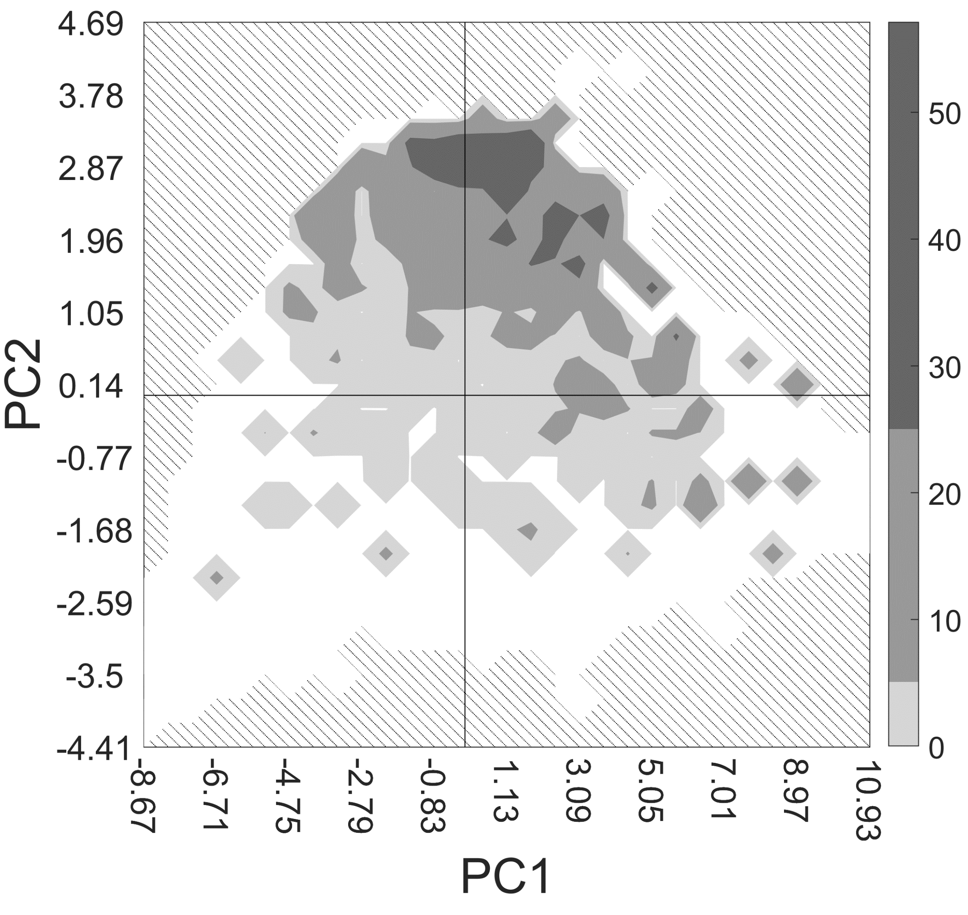
Numbered | Descriptor | Description | Descriptor type | Class | PC1 | PC2
35 | ATS4v | Broto-Moreau autocorrelation - lag 4 / weighted by van der Waals volumes | Autocorrelation | 2D | 0.93455130536 | 0.0088316359855
193 | AATSC0c | Average centered Broto-Moreau autocorrelation - lag 0 / weighted by charges | Autocorrelation | 2D | -0.034169943386 | -0.099759052251
370 | SpDiam_DzZ | Spectral diameter from Barysz matrix / weighted by atomic number | Barysz matrix | 2D | 0.94293715394 | -0.15653876668
386 | EE_Dzm | Estrada-like index from Barysz matrix / weighted by mass (ln(1+x)) | Barysz matrix | 2D | 0.96239497644 | -0.15152742928
394 | SpAbs_Dzv | Graph energy from Barysz matrix / weighted by van der Waals volumes | Barysz matrix | 2D | 0.96028510602 | -0.1584566263
408 | SpMax_Dze | Leading eigenvalue from Barysz matrix / weighted by Sanderson electronegativities | Barysz matrix | 2D | 0.96465194933 | -0.1458218605
409 | SpDiam_Dze | Spectral diameter from Barysz matrix / weighted by Sanderson electronegativities | Barysz matrix | 2D | 0.94559353575 | -0.1506508867
410 | SpAD_Dze | Spectral absolute deviation from Barysz matrix / weighted by Sanderson electronegativities | Barysz matrix | 2D | 0.96729046167 | -0.15087998186
445 | VR3_Dzi | Logarithmic Randic-like eigenvector-based index from Barysz matrix / weighted by first ionization potential | Barysz matrix | 2D | 0.68946420246 | -0.15001243574
466 | nBonds | Number of bonds (excluding bonds with hydrogen) | Bond count | 2D | 0.98005575004 | 0.10976372659
470 | nBondsS3 | Total number of single bonds (excluding bonds to hydrogens and aromatic bonds) | Bond count | 2D | 0.80275172802 | -0.44678362613
518 | SpMin2_Bhe | Smallest absolute eigenvalue of Burden modified matrix - n 2 / weighted by relative Sanderson electronegativities | Burden modified eigenvalues | 2D | 0.47340477228 | 0.54575510033
930 | minHCsatu | Minimum atom-type H E-State: H on C sp3 bonded to unsaturated C | Atom type electrotopological state | 2D | 0.38334527313 | -0.29112686917
1153 | ETA_Alpha | Sum of alpha values of all non-hydrogen vertices of a molecule | Extended topochemical atom | 2D | 0.9799207372 | 0.042371680804
1197 | fragC | Complexity of a system | Fragment complexity | 2D | 0.82298852527 | 0.36270723716
1208 | IC3 | Information content index (neighborhood symmetry of 3-order) | Information content | 2D | 0.71573232637 | 0.36050100842
1226 | CIC3 | Complementary information content index (neighborhood symmetry of 3-order) | Information content | 2D | 0.35240866564 | -0.54382943266
1251 | nAtomP | Number of atoms in the largest pi system | Largest Pi system | 2D | 0.037281389854 | 0.77029898439
1417 | MWC5 | Molecular walk count of order 5 (ln(1+x) | Walk counts | 2D | 0.88201038814 | 0.35072521805
1421 | MWC9 | Molecular walk count of order 9 (ln(1+x) | Walk counts | 2D | 0.7341706672 | 0.44443933743

 |  |  | Descriptor type | Count
 |  |  | Autocorrelation | 2
 |  |  | Barysz matrix | 7
 |  |  | Bond count | 2
 |  |  | Burden modified eigenvalues | 1
 |  |  | Atom type electrotopological state | 1
 |  |  | Extended topochemical atom | 1
 |  |  | Fragment complexity | 1
 |  |  | Information content | 2
 |  |  | Largest Pi system | 1
 |  |  | Walk counts | 2

Set 6
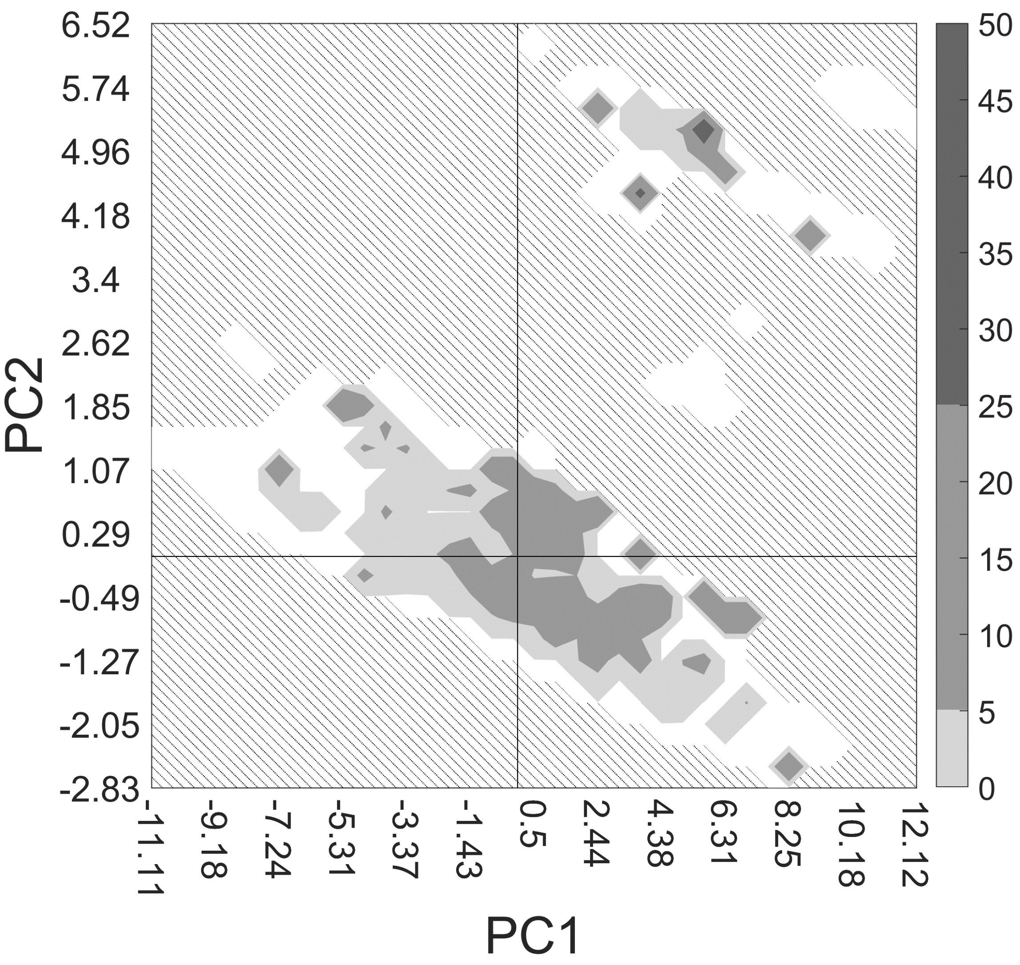
Numbered | Descriptor | Description | Descriptor type | Class | PC1 | PC2
32 | ATS1v | Broto-Moreau autocorrelation - lag 1 / weighted by van der Waals volumes | Autocorrelation | 2D | 0.99147668979 | -0.049741967089
50 | ATS1p | Broto-Moreau autocorrelation - lag 1 / weighted by polarizabilities | Autocorrelation | 2D | 0.98056246565 | -0.087438275054
51 | ATS2p | Broto-Moreau autocorrelation - lag 2 / weighted by polarizabilities | Autocorrelation | 2D | 0.96728434298 | -0.11998674333
54 | ATS5p | Broto-Moreau autocorrelation - lag 5 / weighted by polarizabilities | Autocorrelation | 2D | 0.93076993575 | -0.17588682096
65 | ATS7i | Broto-Moreau autocorrelation - lag 7 / weighted by first ionization potential | Autocorrelation | 2D | 0.88775796319 | -0.14944978886
148 | ATSC0v | Centered Broto-Moreau autocorrelation - lag 0 / weighted by van der Waals volumes | Autocorrelation | 2D | 0.93912902012 | -0.091663617677
308 | MATS5s | Moran autocorrelation - lag 5 / weighted by I-state | Autocorrelation | 2D | 0.3512377119 | 0.097206116851
405 | VR2_Dzv | Normalized Randic-like eigenvector-based index from Barysz matrix / weighted by van der Waals volumes | Barysz matrix | 2D | 0.38131119382 | 0.81053166597
425 | EE_Dzp | Estrada-like index from Barysz matrix / weighted by polarizabilities (ln(1+x)) | Barysz matrix | 2D | 0.89883086262 | -0.1177551957
436 | SpAD_Dzi | Spectral absolute deviation from Barysz matrix / weighted by first ionization potential | Barysz matrix | 2D | 0.92651482717 | -0.099171187354
440 | VE1_Dzi | Coefficient sum of the last eigenvector from Barysz matrix / weighted by first ionization potential | Barysz matrix | 2D | 0.0040693164284 | -0.055202228311
507 | SpMin7_Bhv | Smallest absolute eigenvalue of Burden modified matrix - n 7 / weighted by relative van der Waals volumes | Burden modified eigenvalues | 2D | 0.90818987906 | -0.096006180857
508 | SpMin8_Bhv | Smallest absolute eigenvalue of Burden modified matrix - n 8 / weighted by relative van der Waals volumes | Burden modified eigenvalues | 2D | 0.90768611107 | -0.10452139503
560 | SpMax4_Bhs | Largest absolute eigenvalue of Burden modified matrix - n 4 / weighted by relative I-state | Burden modified eigenvalues | 2D | 0.59813386441 | 0.36487539229
1034 | maxHsOH | Maximum atom-type H E-State: -OH | Atom type electrotopological state | 2D | 0.33171819672 | 0.80957597783
1153 | ETA_Alpha | Sum of alpha values of all non-hydrogen vertices of a molecule | Extended topochemical atom | 2D | 0.98218223456 | 0.00041512431811
1172 | ETA_Beta | A measure of electronic features of the molecule | Extended topochemical atom | 2D | 0.71258510685 | -0.062890196175
1385 | GGI7 | Topological charge index of order 7 | Topological charge | 2D | 0.73616269561 | -0.075606417697
1433 | TSRW | Total self-return walk count (up to order 10) (ln(1+x)) | Walk counts | 2D | 0.82538668772 | -0.11308447417
1441 | WPATH | Weiner path number | Wiener numbers | 2D | 0.4691230098 | 0.80363421932

 |  |  | Descriptor type | Count
 |  |  | Autocorrelation | 7
 |  |  | Barysz matrix | 4
 |  |  | Burden modified eigenvalues | 3
 |  |  | Atom type electrotopological state | 1
 |  |  | Extended topochemical atom | 2
 |  |  | Topological charge | 1
 |  |  | Walk counts | 1
 |  |  | Wiener numbers | 1

